Figure 3.10
Year | Nominal | Real
1861 | 0.48939490609 | 10.02856452
1862 | 1.0487033702 | 20.459419799
1863 | 3.1461101106 | 58.270720003
1864 | 8.0500468226 | 147.64592325
1865 | 6.5818621044 | 129.63481813
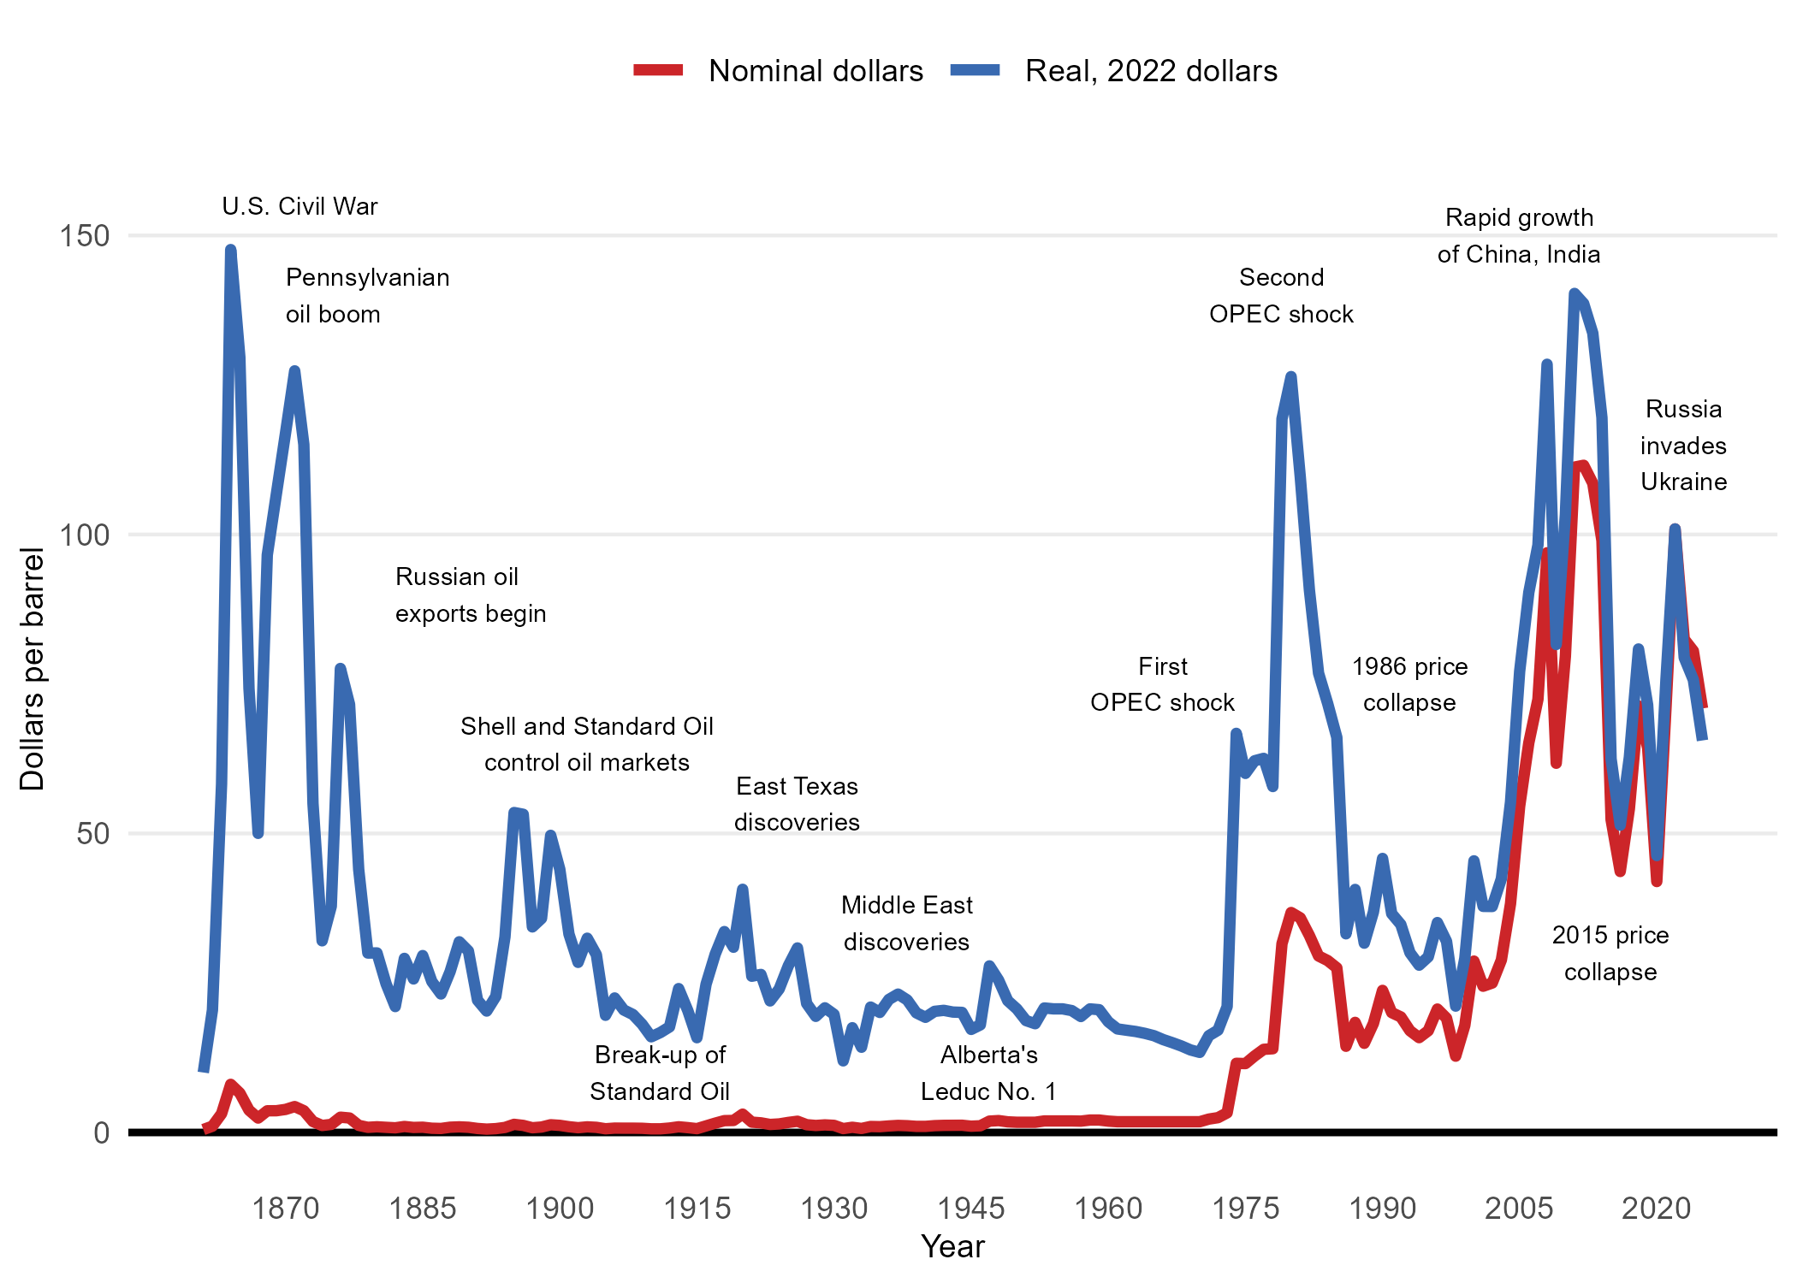
1866 | 3.7353815281 | 74.236091819
1867 | 2.4070239259 | 50.015404285
1868 | 3.6255173655 | 96.567061319
1869 | 3.6355050167 | 106.82022489
1870 | 3.8552333419 | 117.00016271
1871 | 4.3346405968 | 127.36257583
1872 | 3.6355050167 | 115.04115085
1873 | 1.8277401595 | 55.016842575
1874 | 1.1685551839 | 32.049595922
1875 | 1.3483329045 | 37.817632863
1876 | 2.556838693 | 77.595962832
1877 | 2.417011577 | 71.587446184
1878 | 1.1885304862 | 44.005943879
1879 | 0.85893799844 | 30.003323645
1880 | 0.94882685875 | 30.024476183
1881 | 0.85893799844 | 24.846086666
1882 | 0.77903678929 | 21.053660729
1883 | 0.99876511447 | 29.114557984
1884 | 0.83896269616 | 25.672157526
1885 | 0.87891330073 | 29.581792817
1886 | 0.70912323127 | 25.243243186
1887 | 0.6691726267 | 23.155648046
1888 | 0.87891330073 | 26.894641218
1889 | 0.9388392076 | 31.889384549
1890 | 0.86892564959 | 30.352199502
1891 | 0.6691726267 | 22.119294941
1892 | 0.5593084641 | 20.301572643
1893 | 0.63920967326 | 22.754472731
1894 | 0.83896269616 | 32.695961676
1895 | 1.3583205557 | 53.500944564
1896 | 1.1785428351 | 53.208919936
1897 | 0.78902444043 | 34.370211979
1898 | 0.90887625417 | 35.798426142
1899 | 1.2884069977 | 49.687277552
1900 | 1.1885304862 | 44.005943879
1901 | 0.95881450989 | 33.178241976
1902 | 0.79901209158 | 28.443090914
1903 | 0.9388392076 | 32.487028601
1904 | 0.85893799844 | 29.722175103
1905 | 0.61923437097 | 19.594921298
1906 | 0.72909853356 | 22.49319891
1907 | 0.71911088242 | 20.480515492
1908 | 0.71911088242 | 19.72282826
1909 | 0.69913558013 | 18.101944651
1910 | 0.60924671983 | 15.996758359
1911 | 0.60924671983 | 16.709618387
1912 | 0.73908618471 | 17.653356762
1913 | 0.94882685875 | 24.060816946
1914 | 0.80899974272 | 20.386793517
1915 | 0.63920967326 | 15.844016819
1916 | 1.0986416259 | 24.793225946
1917 | 1.5580735786 | 29.820344947
1918 | 1.9775549267 | 33.596214035
1919 | 2.0075178801 | 30.973133007
1920 | 3.0662089014 | 40.667612798
1921 | 1.727863648 | 26.125298358
1922 | 1.6080118343 | 26.427324929
1923 | 1.3383452534 | 21.995413295
1924 | 1.4282341137 | 23.99433311
1925 | 1.6779253923 | 27.879375749
1926 | 1.8776784152 | 30.859236563
1927 | 1.2983946488 | 21.573326473
1928 | 1.1685551839 | 19.415993825
1929 | 1.2684316954 | 20.846399168
1930 | 1.1885304862 | 19.747891156
1931 | 0.64919732441 | 11.970565299
1932 | 0.86892564959 | 17.517541096
1933 | 0.6691726267 | 14.250549459
1934 | 0.99876511447 | 20.974067404
1935 | 0.96880216104 | 20.06614887
1936 | 1.0886539748 | 22.243848782
1937 | 1.1785428351 | 23.142295671
1938 | 1.1286045794 | 22.161689922
1939 | 1.0187404168 | 20.004357275
1940 | 1.0187404168 | 19.254193877
1941 | 1.1385922305 | 20.2535465
1942 | 1.1885304862 | 20.421114718
1943 | 1.1985181374 | 20.135104708
1944 | 1.2085057885 | 20.079788486
1945 | 1.0487033702 | 17.23521191
1946 | 1.1186169282 | 17.993072292
1947 | 1.8976537175 | 27.85681962
1948 | 1.9875425778 | 25.467494726
1949 | 1.7778019038 | 22.033085889
1950 | 1.7078883457 | 20.65861743
1951 | 1.7078883457 | 18.712515788
1952 | 1.7078883457 | 18.185402667
1953 | 1.9276166709 | 20.818260046
1954 | 1.9276166709 | 20.670612812
1955 | 1.9276166709 | 20.670612812
1956 | 1.9276166709 | 20.381513332
1957 | 1.8976537175 | 19.386840681
1958 | 2.0774314381 | 20.664975884
1959 | 2.0774314381 | 20.529910682
1960 | 1.8976537175 | 18.511305941
1961 | 1.797777206 | 17.313625067
1962 | 1.797777206 | 17.09584362
1963 | 1.797777206 | 16.883472892
1964 | 1.797777206 | 16.574628875
1965 | 1.797777206 | 16.179994854
1966 | 1.797777206 | 15.53279506
1967 | 1.797777206 | 15.017895776
1968 | 1.797777206 | 14.458718806
1969 | 1.797777206 | 13.798168201
1970 | 1.797777206 | 13.390340569
1971 | 2.2372338564 | 16.185155937
1972 | 2.4769374839 | 17.101047834
1973 | 3.2859372266 | 21.052275791
1974 | 11.565700026 | 66.74556656
1975 | 11.51576177 | 60.040799297
1976 | 12.784193465 | 62.153377876
1977 | 13.902810393 | 62.56264677
1978 | 14.002686905 | 57.847165574
1979 | 31.570965268 | 119.33824871
1980 | 36.784519166 | 126.40498404
1981 | 35.885630563 | 109.61428972
1982 | 32.929285824 | 90.690492106
1983 | 29.513509133 | 76.806240634
1984 | 28.744459994 | 71.718850679
1985 | 27.525966555 | 66.062319732
1986 | 14.412180602 | 33.218318704
1987 | 18.412274836 | 40.641400806
1988 | 14.905411765 | 31.653065433
1989 | 18.228228346 | 36.846365321
1990 | 23.761445313 | 45.825644531
1991 | 20.041128405 | 36.596843174
1992 | 19.319727626 | 34.775509728
1993 | 17.013412698 | 30.051728972
1994 | 15.856388889 | 27.975332555
1995 | 17.015849802 | 29.369822947
1996 | 20.63980315 | 35.103917168
1997 | 19.108508065 | 31.960248002
1998 | 12.758102767 | 21.128424297
1999 | 17.901566265 | 29.135810756
2000 | 28.660671937 | 45.424461183
2001 | 24.455719844 | 37.80884295
2002 | 24.993254902 | 37.789801412
2003 | 28.850813953 | 42.434271107
2004 | 38.259693487 | 55.251820966
2005 | 54.574552529 | 77.118433107
2006 | 65.161764706 | 90.306680326
2007 | 72.44116 | 98.234111139
2008 | 96.944347826 | 128.46612963
2009 | 61.738769841 | 81.598793706
2010 | 79.609444444 | 103.32144206
2011 | 111.26427419 | 140.30991041
2012 | 111.57068273 | 138.61534288
2013 | 108.555 | 133.66055375
2014 | 98.969606299 | 119.52239994
2015 | 52.31654902 | 62.482323948
2016 | 43.638 | 51.386803738
2017 | 54.124804688 | 62.758209116
2018 | 71.335 | 80.853463268
2019 | 64.300622568 | 71.487162737
2020 | 41.957254902 | 46.30610906
2021 | 70.855335968 | 75.659087559
2022 | 100.93130952 | 100.93130952
2023 | 82.493864542 | 79.408550245
2024 | 80.521850394 | 75.695211656
2025 | 70.904404145 | 65.553878183

